Report
Row Labels | Sum of Total Sales | Average of Operating Margin | Sum of Total Sales | Column Labels
2022 |  |  | Row Labels | 2022 | 2023 | Grand Total |  |  | Variance
Qtr1 | 692776 | 0.40 | Coca-Cola | 499,102 | 2,268,975 | 2,768,077 | 499102 | 2,268,975 | 1,769,873
Qtr2 | 644204 | 0.40 | Dasani Water | 469,271 | 1,917,828 | 2,387,098 | 469,271 | 1,917,828 | 1,448,557
Qtr3 | 719170 | 0.41 | Diet Coke | 423,759 | 1,633,959 | 2,057,718 | 423,759 | 1,633,959 | 1,210,201
Qtr4 | 367582 | 0.40 | Fanta | 315,489 | 1,116,063 | 1,431,552 | 315,489 | 1,116,063 | 800,574
2023 |  |  | Powerade | 349,534 | 1,302,529 | 1,652,063 | 349,534 | 1,302,529 | 952,995
Qtr1 | 1877584 | 0.42 | Sprite | 366,578 | 1,353,578 | 1,720,156 | 366,578 | 1,353,578 | 987,000
Qtr2 | 2379425 | 0.43 | Grand Total | 2,423,733 | 9,592,933 | 12,016,665 | 2,423,733 | 9,592,933 | 7,169,200
Qtr3 | 2805753 | 0.43
Qtr4 | 2530171 | 0.42
Grand Total | 12016665 | 0.42
 | Sum of Total Sales | Average of Operating Margin
Qtr1 | 692776 | 0.40
Qtr2 | 644204 | 0.40
Qtr3 | 719170 | 0.41
Qtr4 | 367582 | 0.40
Qtr1 | 1877584 | 0.42
Qtr2 | 2379425 | 0.43
Qtr3 | 2805753 | 0.43
Qtr4 | 2530171 | 0.42

 |  |  |  | Sum of Total Sales | Column Labels
 |  |  |  | Row Labels | 2022 | 2023 | Grand Total
 |  |  |  | Amazon | 276,210 | 1,009,699 | 1,285,909 | 276,210 | 1,009,699 | 733,489
 |  |  |  | BevCo | 466,788 | 2,327,607 | 2,794,395 | 466,788 | 2,327,607 | 1,860,819
 |  |  |  | FizzyCo | 161,210 | 2,262,827 | 2,424,037 | 161,210 | 2,262,827 | 2,101,617
 |  |  |  | Target | 9,250 | 1,341,995 | 1,351,245 | 9,250 | 1,341,995 | 1,332,745
 |  |  |  | Walmart | 339,913 | 580,211 | 920,123 | 339,913 | 580,211 | 240,299
 |  |  |  | West Soda | 1,170,362 | 2,070,594 | 3,240,956 | 1,170,362 | 2,070,594 | 900,233
 |  |  |  | Grand Total | 2,423,733 | 9,592,933 | 12,016,665 | 2,423,733 | 9,592,933 | 7,169,200

Dashboard
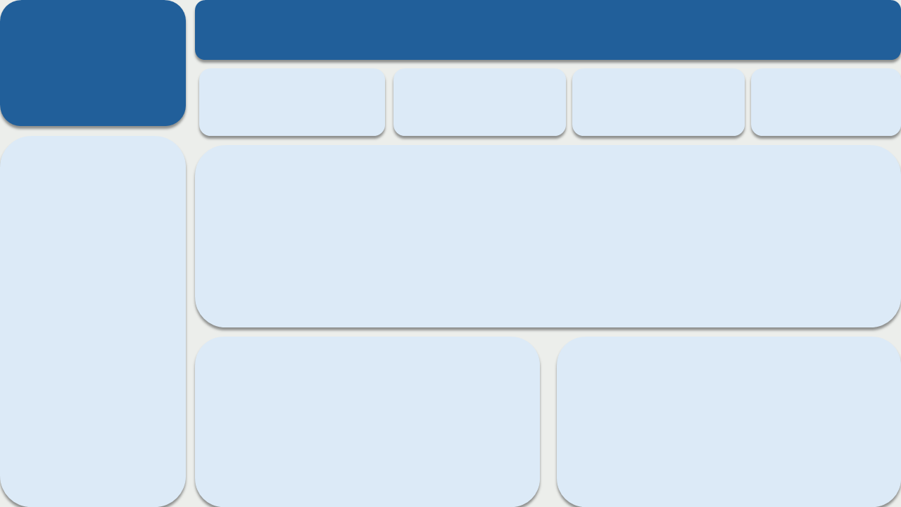
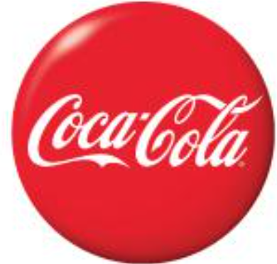
 | Sum of Total Sales | Average of Operating Margin
Qtr1 | 692776 | 0.40
Qtr2 | 644204 | 0.40
Qtr3 | 719170 | 0.41
Qtr4 | 367582 | 0.40
Qtr1 | 1877584 | 0.42
Qtr2 | 2379425 | 0.43
Qtr3 | 2805753 | 0.43
Qtr4 | 2530171 | 0.42
Sales by Brand
Brand
Sales 2023
Sales 2022
Variance
Coca-Cola
Dasani Water
Diet Coke
Fanta
Powerade
Sprite
Grand Total
499102
469,271
423,759
315,489
349,534
366,578
2,423,733
2,268,975
1,917,828
1,633,959
1,116,063
1,302,529
1,353,578
9,592,933
1,769,873
1,448,557
Tota Revenue
1,210,201
800,574
952,995
987,000
7,169,200
$12,016,665
USA COCA-COLA RETAILER SALES DASHBOARD
24,788,610
0.45
$4,722,497
Tota Units Sold
Average Revenue
Tota Operating Profit
Sales by Retailer
Retailer
Amazon
BevCo
FizzyCo
Target
Walmart
West Soda
Grand Total
Sales 2022
Sales 2023
Variance
276,210
466,788
161,210
9,250
339,913
1,170,362
2,423,733
1,009,699
2,327,607
2,262,827
1,341,995
580,211
2,070,594
9,592,933
733,489
1,860,819
2,101,617
1,332,745
240,299
900,233
7,169,200

